Sheet1
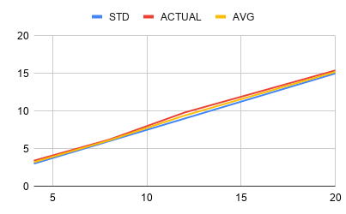
6A
S.No | I/P CURRENT | O/P STD P | O/P ACTUAL P | AVG P
1 | 4 | 3 | 3.4 | 3.2
2 | 8 | 6 | 6.2 | 6.1
3 | 12 | 9 | 9.8 | 9.4
4 | 16 | 12 | 12.6 | 12.3
5 | 20 | 15 | 15.4 | 15.2

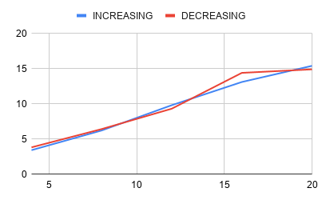
6B
Increasing |  |  |  | Decreasing
S.No | I/P CURRENT | O/P CURRENT |  | S.No | I/P CURRENT | O/P CURRENT | O/P^(-1) | HYSTERESIS
1 | 4 | 3.4 |  | 1 | 20 | 14.9 | 3.8 | 0.4
2 | 8 | 6.2 |  | 2 | 16 | 14.4 | 6.4 | 0.2
3 | 12 | 9.8 |  | 3 | 12 | 9.3 | 9.3 | -0.5
4 | 16 | 13.1 |  | 4 | 8 | 6.4 | 14.4 | 1.3
5 | 20 | 15.4 |  | 5 | 4 | 3.8 | 14.9 | -0.5

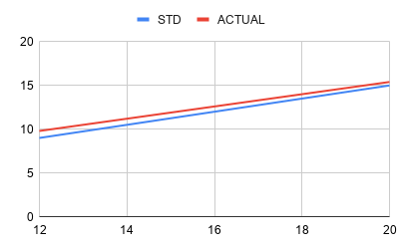
6C
S.No | I/P CURRENT | O/P STD P | O/P ACTUAL P | DEVIATION | ERROR %
1 | 4 | 3 | 3.4 | 0.4 | 2.5
2 | 8 | 6 | 6.2 | 0.2 | 1.25
3 | 12 | 9 | 9.8 | 0.8 | 5
4 | 16 | 12 | 12.6 | 0.6 | 3.75
5 | 20 | 15 | 15.4 | 0.4 | 2.5

6D
Increasing |  |  |  | Decreasing
S.No | I/P CURRENT | O/P CURRENT |  | I/P CURRENT | O/P CURRENT | O/P^(-1) | DEVIATION | REPEATABILITY %
1 | 4 | 3.4 |  | 20 | 14.9 | 3.8 | 11.5 | 57.5
2 | 8 | 6.2 |  | 16 | 14.4 | 6.4 | 8.2 | 51.25
3 | 12 | 9.8 |  | 12 | 9.3 | 9.3 | 0.5 | 4.166666667
4 | 16 | 13.1 |  | 8 | 6.4 | 14.4 | 6.7 | 83.75
5 | 20 | 15.4 |  | 4 | 3.8 | 14.9 | 11.6 | 290

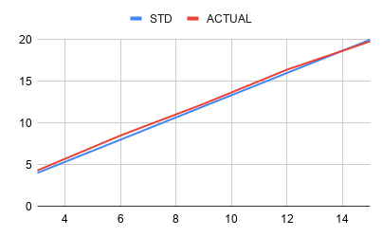
6E
S.No | I/P PRESSURE | O/P STD I | O/P ACTUAL I | DEVIATION | ACCURACY %
1 | 3 | 4 | 4.3 | 0.3 | 1.875
2 | 6 | 8 | 8.5 | 0.5 | 3.125
3 | 9 | 12 | 12.3 | 0.3 | 1.875
4 | 12 | 16 | 16.4 | 0.4 | 2.5
5 | 15 | 20 | 19.8 | 0.2 | 1.25

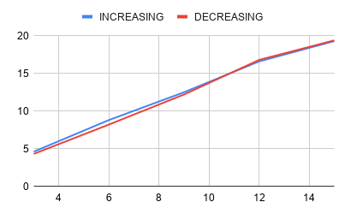
6F
Increasing |  |  |  | Decreasing
S.No | I/P PRESSURE | O/P CURRENT |  | I/P PRESSURE | O/P CURRENT | O/P^(-1) | HYSTERESIS
1 | 3 | 4.6 |  | 15 | 19.4 | 4.3 | -0.3
2 | 6 | 8.8 |  | 12 | 16.8 | 8.2 | -0.6
3 | 9 | 12.5 |  | 9 | 12.2 | 12.2 | -0.3
4 | 12 | 16.6 |  | 6 | 8.2 | 16.8 | 0.2
5 | 15 | 19.3 |  | 3 | 4.3 | 19.4 | 0.1

6G
S.No | I/P PRESSURE | O/P STD I | O/P ACTUAL I | DEVIATION | ACCURACY %
1 | 3 | 4 | 4.3 | 0.3 | 1.875
2 | 6 | 8 | 8.5 | 0.5 | 3.125
3 | 9 | 12 | 12.3 | 0.3 | 1.875
4 | 12 | 16 | 16.4 | 0.4 | 2.5
5 | 15 | 20 | 19.8 | 0.2 | 1.25

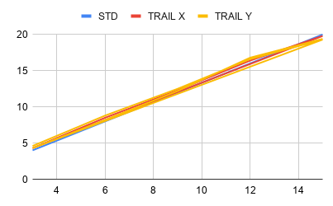
6H
S.No | I/P PRESSURE | O/P TRAIL X I | O/P TRIAL Y I | O/P STD I | DEVIATION | REPEATABILITY %
1 | 3 | 4.3 | 4.6 | 4 | 0.3 | 7.5
2 | 6 | 8.5 | 8.8 | 8 | 0.3 | 3.75
3 | 9 | 12.3 | 12.5 | 12 | 0.2 | 1.666666667
4 | 12 | 16.4 | 16.6 | 16 | 0.2 | 1.25
5 | 15 | 19.8 | 19.3 | 20 | 0.5 | 2.5
6 | 3 | 4.3 | 4.3 | 4 | 0 | 0
7 | 6 | 8.5 | 8.2 | 8 | 0.3 | 3.75
8 | 9 | 12.3 | 12.2 | 12 | 0.1 | 0.8333333333
9 | 12 | 16.4 | 16.8 | 16 | 0.4 | 2.5
10 | 15 | 19.8 | 19.4 | 20 | 0.4 | 2

